Introduction
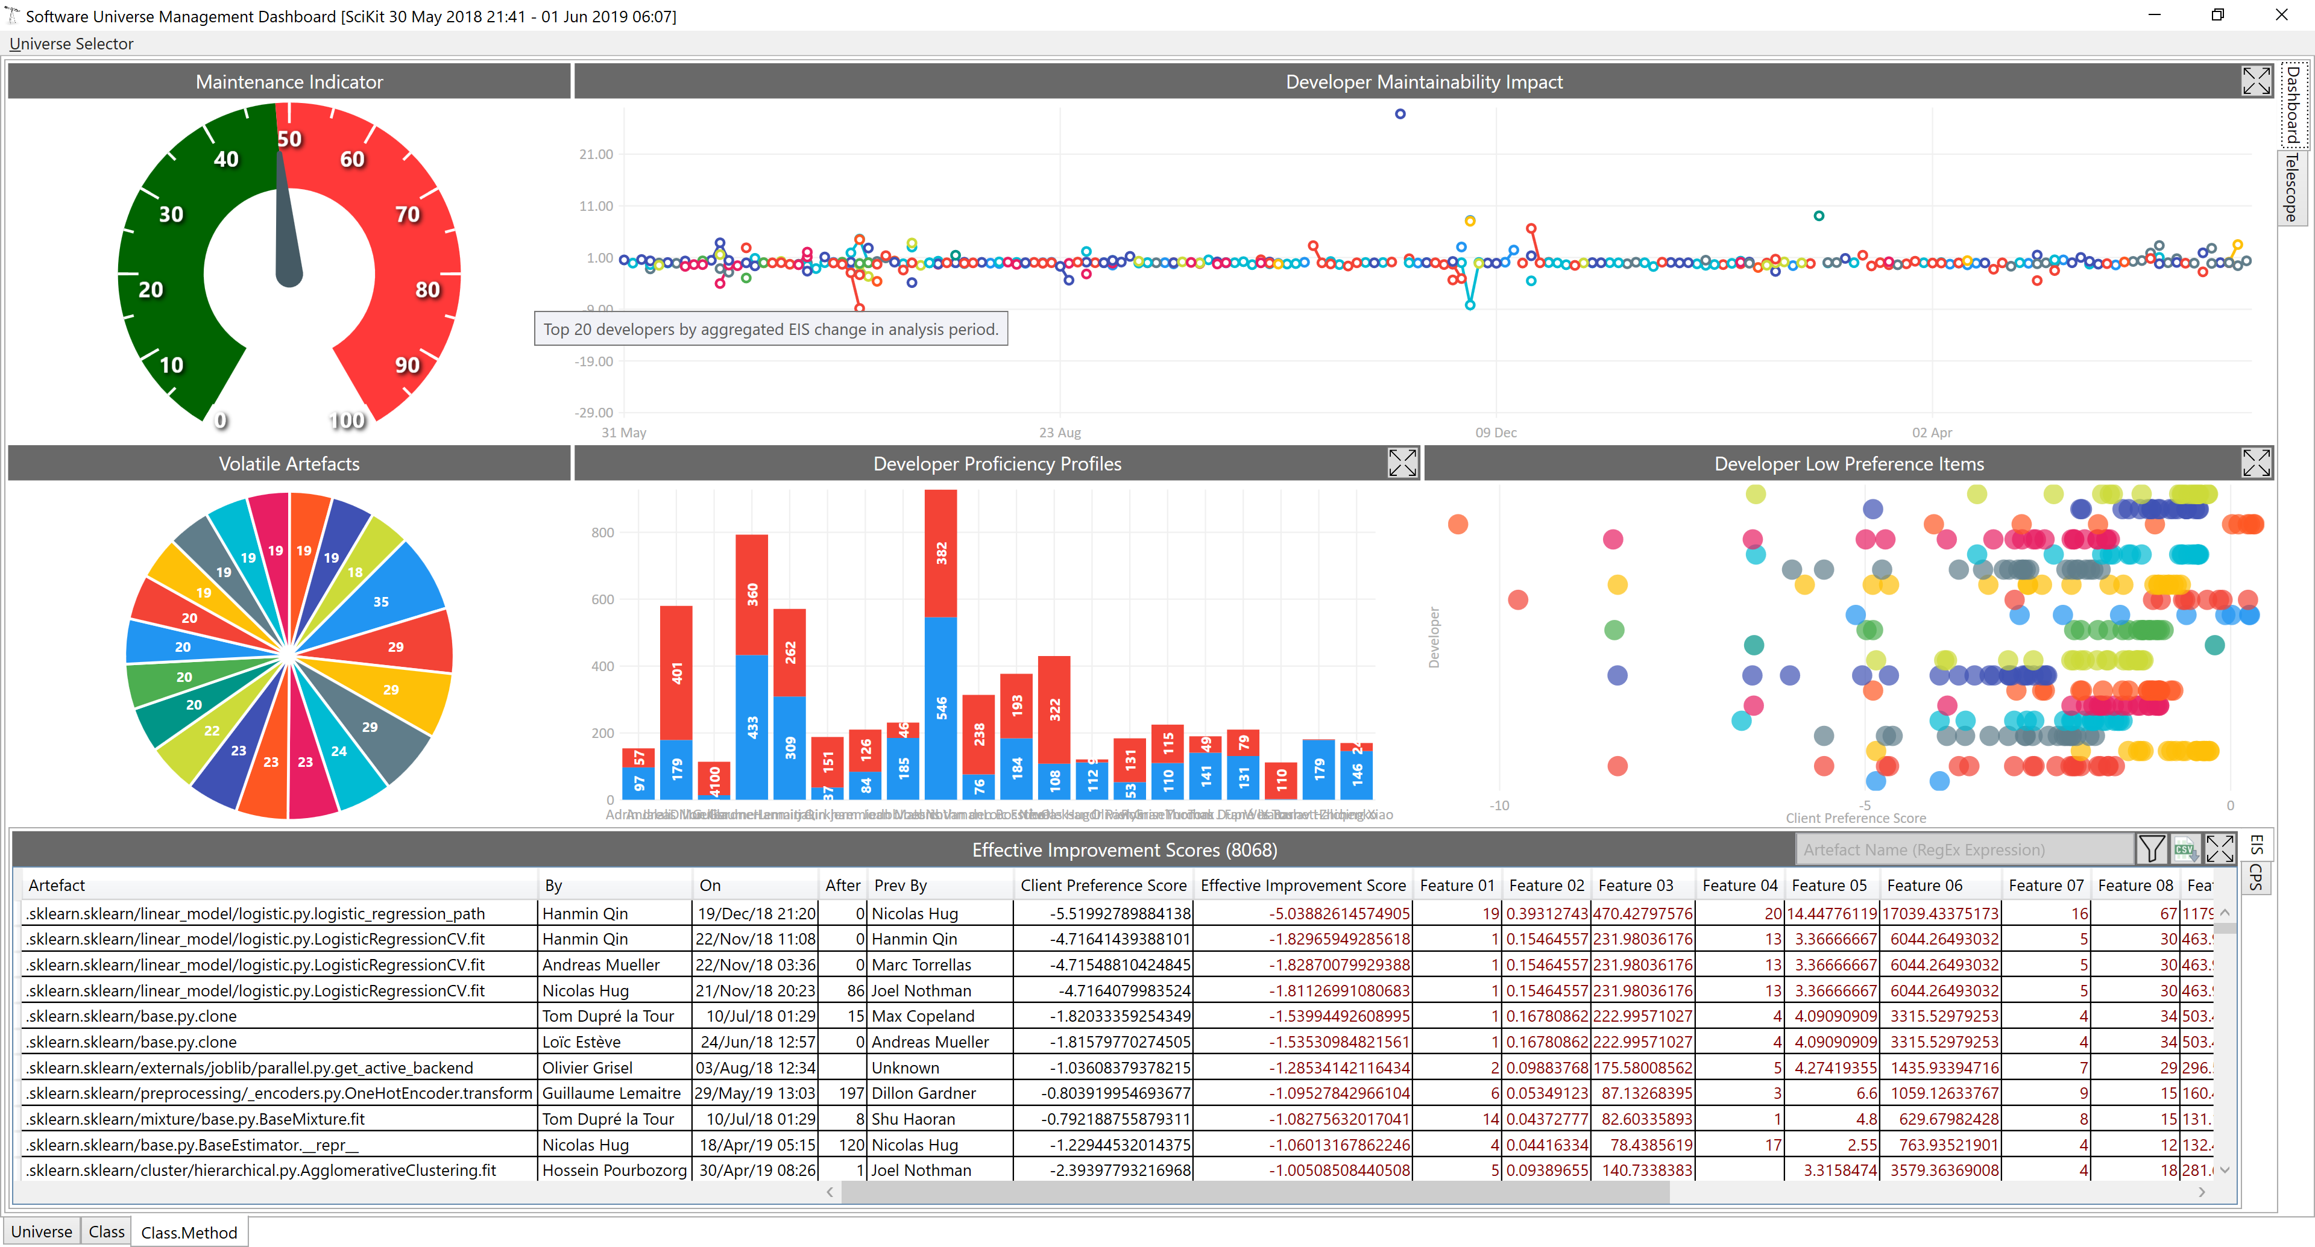
The Code Analysis tab in the spreadsheet provides a ranked exploration of Software Artefacts within your project.
(excluding Tag, Branches, Sandboxes and locally copied libraries)

Lower ranked items indicate unusual (poorer quality) software. Time spent making these items easier to understand and support will improve quality across the project as a whole.

I would recommend reviewing this information every week and taking any actions your team feel are appropriate.

I aim to refresh the analysis every weekend ready, for you on Monday morning.

Refactoring the more complex areas of your software on a regular basis will provide longevity for the product and spread knowledge around the team, whilst producing an audit trail which may well increase your marks.
A recommended approach is to ensure there are Unit Tests for the code to be re-factored, created by the original author and a pair. An alternative team member can then clean the code (pairing with team member who paired with the original author).
At the end of the process, the original author reviews, the Unit Tests should still pass, the code will be cleaner and now three team members will have a greater understanding of the complex code.

We are running your projects through the same tooling that is currently being trialled by a number of organisations in the City.
I can provide further detailed information on many aspects of your project if you are interested. Just give me a shout and I will be happy to help.

